CHERI-D1英文版
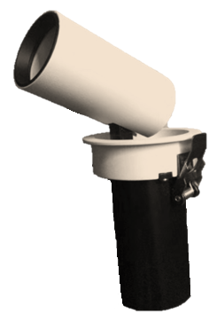
Light&Essence
LIGHTING SPECIFICATION
PRODUCT: | LED DOWN LIGHT
LOCATION: | INDOOR
MODEL NO: | CHERI-D1
LAMP TYPE: | LED CREE 10W, 3000K, RA91
EA: | REMOTE LED DRIVER
SIZE: | W72*H160 mm
FINISH: | WHITE POWDER COATING
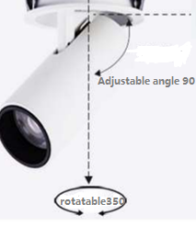
BEAM ANGLE: | 25°
HOLE: | 65mm
INPUT VOLTAGE: | AC 220V
IP RATING: | IP40
INSTALLATION: | RECESSED
Others:

CHERI-D1 中英双板
Light&Essence
LIGHTING SPECIFICATION 灯具规格
PRODUCT: 产品： | LED DOWN LIGHT LED射灯
LOCATION: 位置： | INDOOR 室内
MODEL NO: 型号： | CHERI-D1
LAMP TYPE: 光源型号： | LED CREE 10W, 3000K, RA91
EA: 电器： | REMOTE LED DRIVER 外置电源
SIZE: 尺寸： | W72*H160 mm
FINISH: 饰面 | WHITE POWDER COATING 白色烤漆
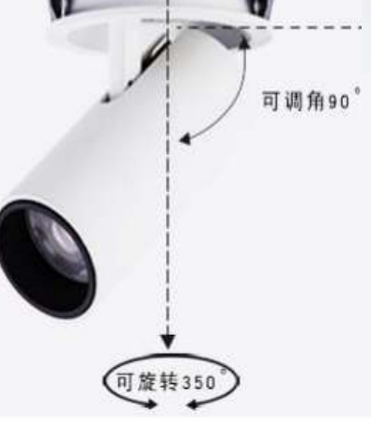
BEAM ANGLE: 照度角： | 25°
HOLE: 开孔： | 65mm
INPUT VOLTAGE: 工作电压： | AC 220V
IP RATING: 防护等级： | IP40
INSTALLATION: 安装： | RECESSED
Others: 其他：

